Screenshot and Results Data
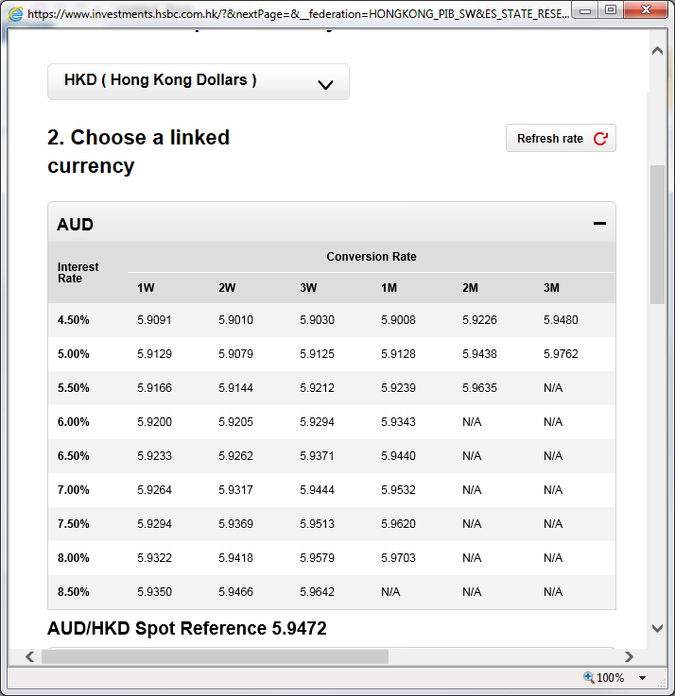
1 | 4.50% | 5.9015 | 5.8938 | 5.8961 | 5.894 | 5.915 | 5.9401
 | 5.00% | 5.9054 | 5.9007 | 5.9055 | 5.906 | 5.9362 | 5.9683
 | 5.50% | 5.909 | 5.9072 | 5.9142 | 5.9171 | 5.9559 | N/A
 | 6.00% | 5.9124 | 5.9132 | 5.9223 | 5.9274 | N/A | N/A
 | 6.50% | 5.9157 | 5.919 | 5.93 | 5.9371 | N/A | N/A
 | 7.00% | 5.9188 | 5.9244 | 5.9372 | 5.9462 | N/A | N/A
 | 7.50% | 5.9218 | 5.9296 | 5.9441 | 5.9549 | N/A | N/A
 | 8.00% | 5.9246 | 5.9345 | 5.9507 | 5.9632 | N/A | N/A
 | 8.50% | 5.9274 | 5.9392 | 5.957 | N/A | N/A | N/A

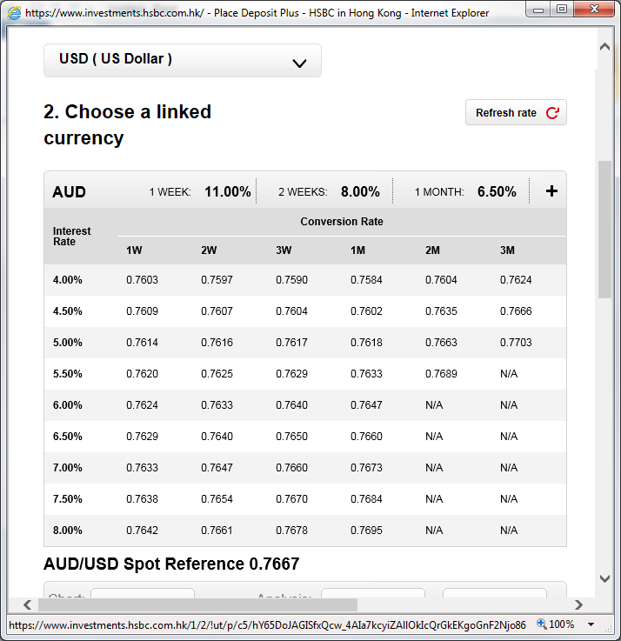
2

 | 4.00% | 0.7594 | 0.7589 | 0.7583 | 0.7577 | 0.7596 | 0.7616
 | 4.50% | 0.76 | 0.7599 | 0.7597 | 0.7595 | 0.7627 | 0.7658
 | 5.00% | 0.7606 | 0.7608 | 0.7609 | 0.7611 | 0.7655 | 0.7696
 | 5.50% | 0.7611 | 0.7617 | 0.7621 | 0.7626 | 0.7681 | N/A
 | 6.00% | 0.7616 | 0.7625 | 0.7632 | 0.764 | N/A | N/A
 | 6.50% | 0.7621 | 0.7632 | 0.7643 | 0.7653 | N/A | N/A
 | 7.00% | 0.7625 | 0.7639 | 0.7652 | 0.7665 | N/A | N/A
 | 7.50% | 0.7629 | 0.7646 | 0.7662 | 0.7676 | N/A | N/A
 | 8.00% | 0.7633 | 0.7653 | 0.767 | 0.7687 | N/A | N/A

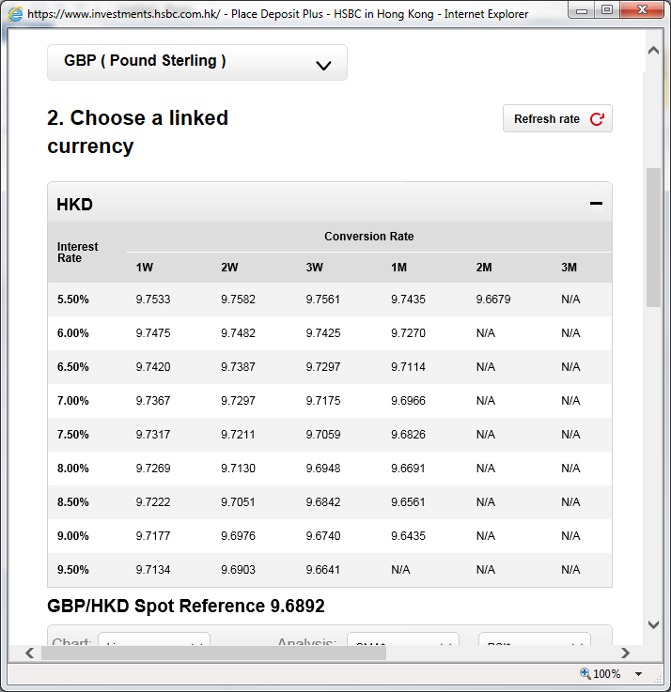
3

 | 5.50% | 9.7533 | 9.7583 | 9.7561 | 9.7433 | 9.668 | N/A
 | 6.00% | 9.7475 | 9.7482 | 9.7424 | 9.7268 | N/A | N/A
 | 6.50% | 9.7419 | 9.7387 | 9.7296 | 9.7113 | N/A | N/A
 | 7.00% | 9.7367 | 9.7298 | 9.7174 | 9.6965 | N/A | N/A
 | 7.50% | 9.7317 | 9.7212 | 9.7058 | 9.6824 | N/A | N/A
 | 8.00% | 9.7268 | 9.713 | 9.6948 | 9.6689 | N/A | N/A
 | 8.50% | 9.7222 | 9.7052 | 9.6841 | 9.6559 | N/A | N/A
 | 9.00% | 9.7177 | 9.6976 | 9.6739 | 9.6434 | N/A | N/A
 | 9.50% | 9.7134 | 9.6903 | 9.664 | N/A | N/A | N/A

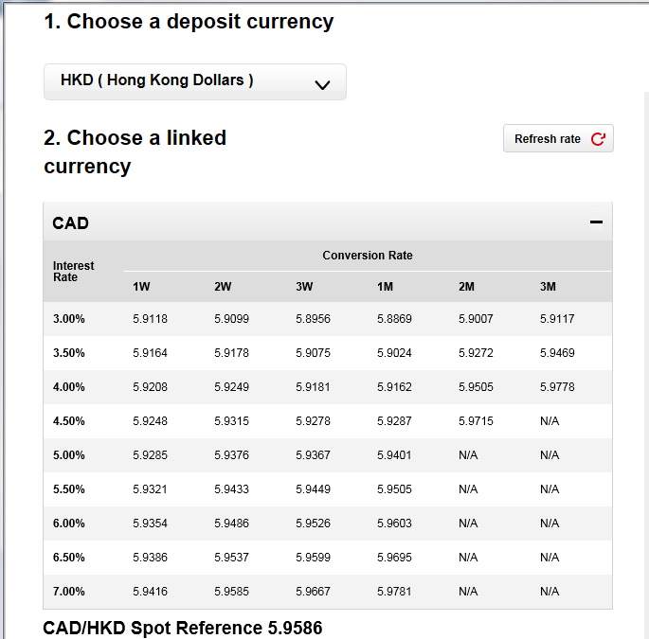
4

 | 3.00% | 5.9099 | 5.9081 | 5.8937 | 5.885 | 5.8985 | 5.9098
 | 3.50% | 5.9146 | 5.9159 | 5.9056 | 5.9005 | 5.925 | 5.9451
 | 4.00% | 5.9189 | 5.9231 | 5.9162 | 5.9143 | 5.9484 | 5.976
 | 4.50% | 5.9229 | 5.9296 | 5.9259 | 5.9268 | 5.9693 | N/A
 | 5.00% | 5.9266 | 5.9357 | 5.9348 | 5.9382 | N/A | N/A
 | 5.50% | 5.9302 | 5.9414 | 5.943 | 5.9487 | N/A | N/A
 | 6.00% | 5.9335 | 5.9467 | 5.9507 | 5.9584 | N/A | N/A
 | 6.50% | 5.9367 | 5.9518 | 5.958 | 5.9676 | N/A | N/A
 | 7.00% | 5.9397 | 5.9566 | 5.9648 | 5.9762 | N/A | N/A

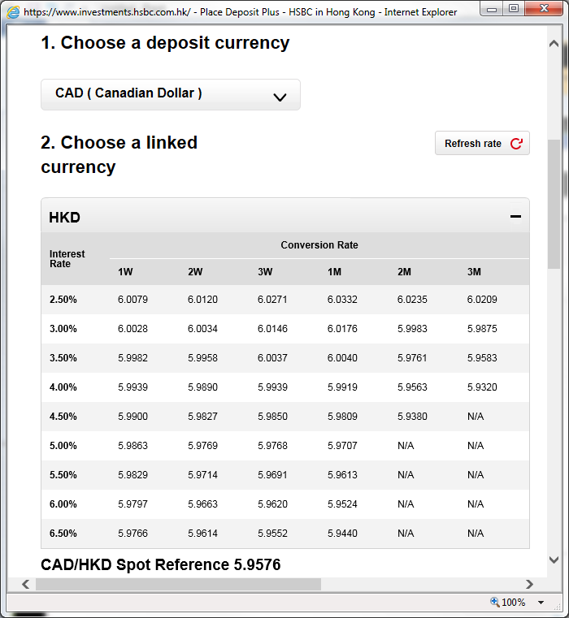
5

 | 2.50% | 6.0066 | 6.0108 | 6.0259 | 6.0321 | 6.0222 | 6.0196
 | 3.00% | 6.0015 | 6.0022 | 6.0135 | 6.0165 | 5.997 | 5.9863
 | 3.50% | 5.9969 | 5.9946 | 6.0025 | 6.0029 | 5.9749 | 5.9571
 | 4.00% | 5.9927 | 5.9878 | 5.9928 | 5.9908 | 5.955 | 5.9307
 | 4.50% | 5.9887 | 5.9815 | 5.9839 | 5.9798 | 5.9367 | N/A
 | 5.00% | 5.9851 | 5.9757 | 5.9757 | 5.9697 | N/A | N/A
 | 5.50% | 5.9816 | 5.9702 | 5.968 | 5.9602 | N/A | N/A
 | 6.00% | 5.9784 | 5.9651 | 5.9608 | 5.9514 | N/A | N/A
 | 6.50% | 5.9753 | 5.9603 | 5.9541 | 5.943 | N/A | N/A

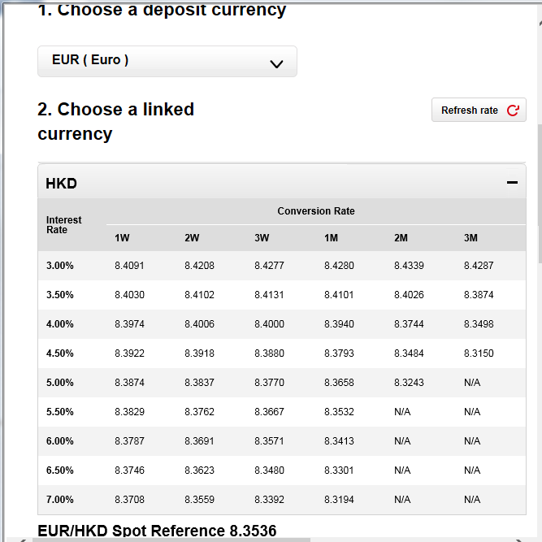
6

 | 3.00% | 8.4099 | 8.4216 | 8.4286 | 8.4289 | 8.435 | 8.4295
 | 3.50% | 8.4038 | 8.4111 | 8.414 | 8.411 | 8.4037 | 8.3881
 | 4.00% | 8.3982 | 8.4015 | 8.4009 | 8.3949 | 8.3755 | 8.3505
 | 4.50% | 8.3931 | 8.3927 | 8.3889 | 8.3802 | 8.3495 | 8.3157
 | 5.00% | 8.3882 | 8.3846 | 8.3779 | 8.3667 | 8.3254 | N/A
 | 5.50% | 8.3837 | 8.3771 | 8.3676 | 8.3541 | N/A | N/A
 | 6.00% | 8.3795 | 8.3699 | 8.358 | 8.3422 | N/A | N/A
 | 6.50% | 8.3755 | 8.3632 | 8.3488 | 8.331 | N/A | N/A
 | 7.00% | 8.3716 | 8.3568 | 8.3401 | 8.3202 | N/A | N/A

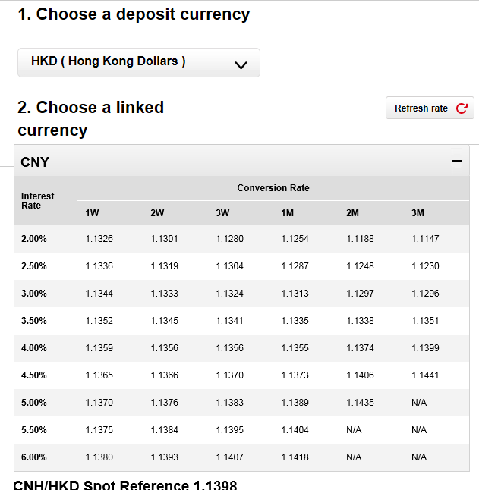
7
 | 2.00% | 1.1326 | 1.1301 | 1.128 | 1.1254 | 1.1188 | 1.1147
 | 2.50% | 1.1336 | 1.1319 | 1.1304 | 1.1287 | 1.1248 | 1.123
 | 3.00% | 1.1344 | 1.1333 | 1.1324 | 1.1313 | 1.1297 | 1.1296
 | 3.50% | 1.1352 | 1.1345 | 1.1341 | 1.1335 | 1.1338 | 1.1351
 | 4.00% | 1.1358 | 1.1356 | 1.1356 | 1.1355 | 1.1374 | 1.1399
 | 4.50% | 1.1365 | 1.1366 | 1.137 | 1.1373 | 1.1406 | 1.1441
 | 5.00% | 1.137 | 1.1376 | 1.1383 | 1.1389 | 1.1435 | N/A
 | 5.50% | 1.1375 | 1.1384 | 1.1395 | 1.1404 | N/A | N/A
 | 6.00% | 1.138 | 1.1393 | 1.1406 | 1.1418 | N/A | N/A

